Cover


SSP Group plc Sustainability Data Book 2025
SSP Group plc | 32 Jamestown Road, London, NW1 7HW Company number: 5735966 Version - 1 (Published - 16 December, 2025)

Welcome & Contents
Welcome & contents
About SSP | We are the food travel experts. Present in 38 countries, we are a leading player in designing, creating and operating restaurants, bars, cafés, lounges and convenience retail outlets in locations where people are on the move. Our purpose is to be the best part of the journey, and we are passionate about bringing great food and hospitality to travellers worldwide. We have a wide portfolio of brands, including our own and those we franchise, which cater to a variety of customer needs. These range from grab ‘n’ go sandwich shops and cafés to casual dining restaurants and bespoke high-end concepts. |  | Links to further information | Sustainability Report 2025 Our Sustainability Report complements this Data Book with details of our Sustainability Strategy, progress and key initiatives across our global business in 2025 at: foodtravelexperts.com/sustainability | Annual Report 2025 Our Annual Report 2025 provides details of progress against our Group strategy, a review of our financial performance and an overview of our governance during 2025 at: foodtravelexperts.com/investors/annualreport
Sustainability Strategy | Our Sustainability Strategy focuses on the three areas of Product, Planet and People. Within these, we have made 10 key commitments, which are focused on the most material issues for our business and stakeholders. These commitments are supported by clear and measurable 2025 targets, as well as science-based net-zero targets for 2032 and 2040. |  |  |  | 
About this Data Book | This Sustainability Data Book complements our 2025 Sustainability Report by providing a consolidated view of our non-financial performance, including sustainability targets and metrics against our 10 key commitments, other key business data, relevant reporting standards and frameworks, and reporting criteria outlining our data methodology, scope, definitions and any restatements of previously reported data. This Sustainability Data Book has been designed not only for human readability but also to support machine-readability and data automation. To enable easier integration with dashboards, analytics tools, and AI systems: • We have structured our data in flat, tabular formats with consistent column headers. • Where applicable, we have repeated key metadata (e.g. strategy pillar, commitment, metric) across rows to ensure each entry is self-contained. • A ‘Reporting group’ column has been added to clarify regional breakdowns for selected targets/KPIs. • We have avoided merged cells and used standardised indicators for missing data (e.g. “Not available" or “Not applicable”). These enhancements aim to improve transparency, traceability and usability for both internal and external stakeholders using the data for reporting, benchmarking or AI-assisted analysis. |  |  | 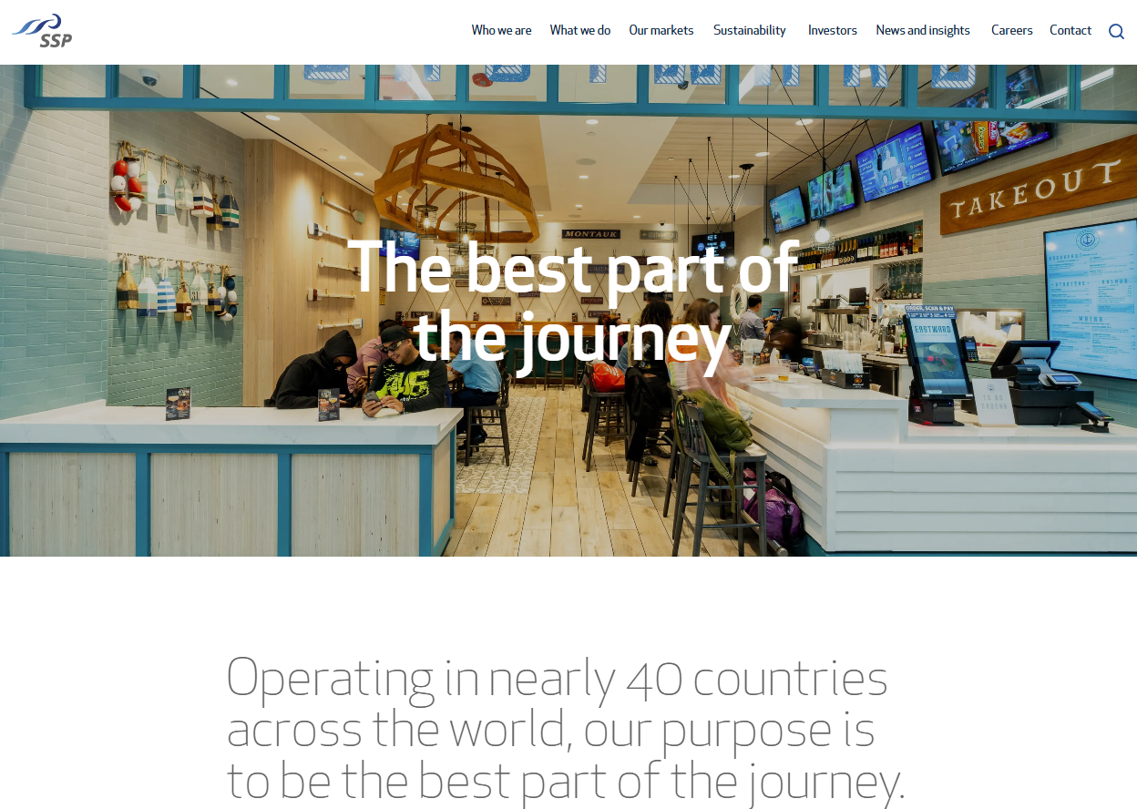 SSP Group website The SSP website includes our policies, statutory statements and additional sustainability information at: foodtravelexperts.com
Table of contents
Tab name | Description | Theme
Cover | Details the company's name, company number, address and Data Book version and publication date. | Governance
Welcome & Contents | Briefly details our Sustainability Strategy, information about the Data Book, provides links to our 2025 Sustainability Report, 2025 Annual Report and Group website, as well as a Table of Contents. | Governance
Reporting Criteria | Details of our reporting period, boundaries, data management, definitions and general methodologies. | Governance
PRODUCT Targets Performance | Progress against targets and KPIs relating to commitments 1-3 under the PRODUCT pillar of our Sustainability Strategy, including detailed data scope, definitions, methodology, and restatements for all metrics. | Product
Cage-free Egg Transition Plans | Market-level transition plans for cage-free sourcing, relating to commitment 3: Supporting animal welfare under the PRODUCT pillar of our Sustainability Strategy. | Product
PLANET Targets Performance | Progress against targets and KPIs relating to commitments 4-6 under the PLANET pillar of our Sustainability Strategy, including detailed data scope, definitions, methodology, and restatements for all metrics. | Planet
Energy Carbon Reporting (SECR) | Greenhouse gas (GHG) emissions and energy data in accordance with UK Streamlined energy and carbon reporting (SECR) regulations. | Planet
PEOPLE Targets Performance | Progress against targets and KPIs relating to commitments 7-10 under the PEOPLE pillar of our Sustainability Strategy, including detailed data scope, definitions, methodology, and restatements for all metrics. | People
Other Business Info & Data | Additional business information and data including Group revenues, operational and employee metrics, and an index of SSP Group policies and standards, with details on scope and covered issues. | Governance
GRI Index | Our disclosures mapped against the Global Reporting Initiative (GRI): Universal standards 2021. | Governance
SASB Index | Our disclosures mapped against the Sustainable Accounting Standards Board (SASB): Restaurants Standard. | Governance
TCFD Index | Our disclosures mapped against the Task Force on Climate-related Financial Disclosures (TCFD). | Governance
Data Dictionary | Definitions of columns and terms used across the Data Book to support machine readability. | Governance

